Fall
 |  | Term | Year | Discipline |  |  | 21-22 FTEF Allocation | Fall 21-22 FTEF | FTES | PROD
 |  | Fall | 21 | LIS |  |  | 0.40 | 0.20 | 3.500 | 17.50
 |  |  |  | Insert Year/Discipline/FTEF Allocation on Summary Tab | Remaining FTEF for 2021-22 |  |  | 0.00
Faculty Name |  | Jane McKenna
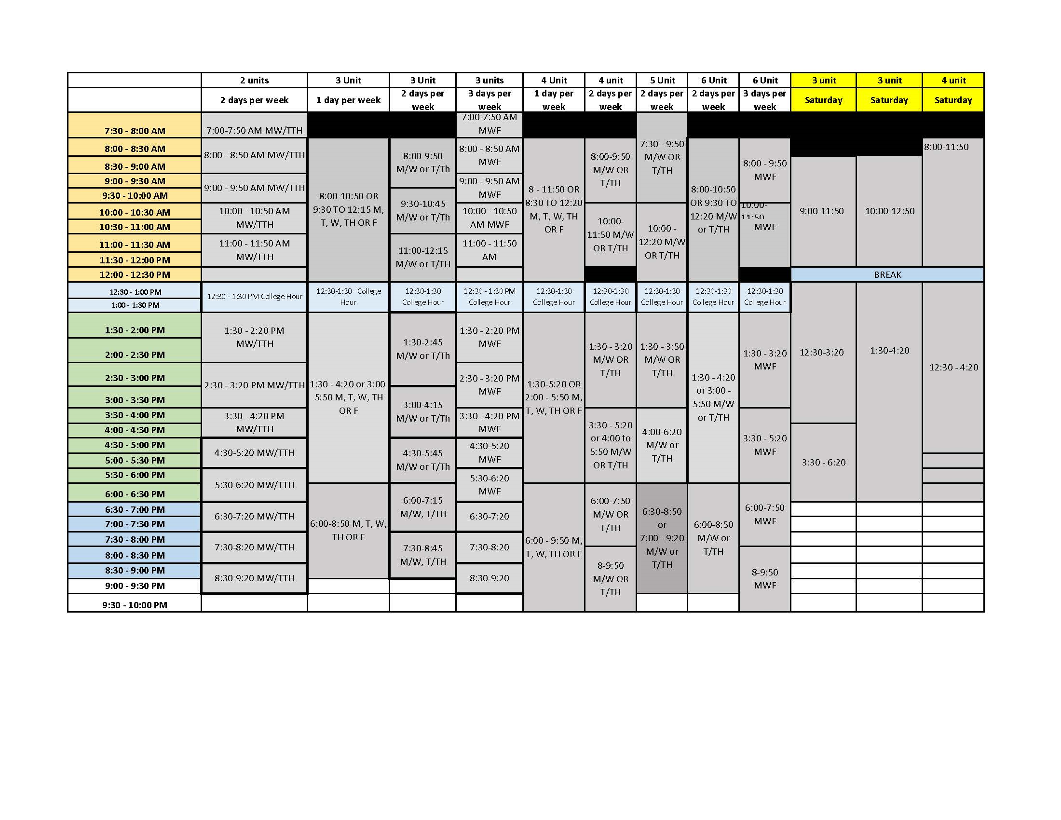
Subject | Course/X-listed Course(s) | Set Cap Per Section | Expected Enrollment Per Section (Est.) | Planned Section(s) | Total Enr. (Est.) | Weekly Contact Hours Per Week | Equated Hours Per Section | Total FTEF | FTES | PROD | NOTES:
LIS | LIS74 | 35 | 35 | 1 | 35 | 3.00 | 3.00 | 0.20 | 3.500 | 17.50 | Late start, online
LIS |  |  |  |  | 0 |  |  | 0.00 | 0.000 | #DIV/0!
LIS |  |  |  |  | 0 |  |  | 0.00 | 0.000 | #DIV/0!
LIS |  |  |  |  | 0 |  |  | 0.00 | 0.000 | #DIV/0!
LIS |  |  |  |  | 0 |  |  | 0.00 | 0.000 | #DIV/0!
LIS |  |  |  |  | 0 |  |  | 0.00 | 0.000 | #DIV/0!
LIS |  |  |  |  | 0 |  |  | 0.00 | 0.000 | #DIV/0!
LIS |  |  |  |  | 0 |  |  | 0.00 | 0.000 | #DIV/0!
LIS |  |  |  |  | 0 |  |  | 0.00 | 0.000 | #DIV/0!
LIS |  |  |  |  | 0 |  |  | 0.00 | 0.000 | #DIV/0!
LIS |  |  |  |  | 0 |  |  | 0.00 | 0.000 | #DIV/0!
LIS |  |  |  |  | 0 |  |  | 0.00 | 0.000 | #DIV/0!
LIS |  |  |  |  | 0 |  |  | 0.00 | 0.000 | #DIV/0!
LIS |  |  |  |  | 0 |  |  | 0.00 | 0.000 | #DIV/0!
LIS |  |  |  |  | 0 |  |  | 0.00 | 0.000 | #DIV/0!
LIS |  |  |  |  | 0 |  |  | 0.00 | 0.000 | #DIV/0!
LIS |  |  |  |  | 0 |  |  | 0.00 | 0.000 | #DIV/0!
LIS |  |  |  |  | 0 |  |  | 0.00 | 0.000 | #DIV/0!
LIS |  |  |  |  | 0 |  |  | 0.00 | 0.000 | #DIV/0!
LIS |  |  |  |  | 0 |  |  | 0.00 | 0.000 | #DIV/0!
LIS |  |  |  |  | 0 |  |  | 0.00 | 0.000 | #DIV/0!
LIS |  |  |  |  | 0 |  |  | 0.00 | 0.000 | #DIV/0!
LIS |  |  |  |  | 0 |  |  | 0.00 | 0.000 | #DIV/0!
LIS |  |  |  |  | 0 |  |  | 0.00 | 0.000 | #DIV/0!
LIS |  |  |  |  | 0 |  |  | 0.00 | 0.000 | #DIV/0!
Summary/Rationale:

**REQUIRED SECTION**
Discipline Faculty: | I have used my program review to develop the above discipline plan:

Division Dean: | I approve the above discipline plan and agree that it complies with the program review:

Intersessions
 |  |  |  |  | Year | Discipline |  |  | 21-22 FTEF Allocation | FTEF 2021-22 Adds | FTES | PROD
 |  |  |  |  | 2021-22 | LIS |  |  | 0.40 | 0.00 | 0.00 | #DIV/0!
 |  |  |  |  |  | Insert Year/Discipline/FTEF on Summary Tab
Faculty Name | Jane McKenna

Winter or Spring online? | Subject | Course #/X-listed Course(s) | Was course offered in 19/20? If so, when? | Set Cap Per Section | Expected Enrollment Per Section (Est.) | Planned Section(s) | Total Enr. (Est.) | Weekly Contact Hours Per Week | Equated hours per section | Total FTEF | FTES | PROD | NOTES:
 | LIS |  |  |  |  |  | 0 |  |  | 0.00 | 0.000 | #DIV/0!
 | LIS |  |  |  |  |  | 0 |  |  | 0.00 | 0.000 | #DIV/0!
 | LIS |  |  |  |  |  | 0 |  |  | 0.00 | 0.000 | #DIV/0!
 | LIS |  |  |  |  |  | 0 |  |  | 0.00 | 0.000 | #DIV/0!
 | LIS |  |  |  |  |  | 0 |  |  | 0.00 | 0.000 | #DIV/0!
 | LIS |  |  |  |  |  | 0 |  |  | 0.00 | 0.000 | #DIV/0!
 | LIS |  |  |  |  |  | 0 |  |  | 0.00 | 0.000 | #DIV/0!
 | LIS |  |  |  |  |  | 0 |  |  | 0.00 | 0.000 | #DIV/0!
 | LIS |  |  |  |  |  | 0 |  |  | 0.00 | 0.000 | #DIV/0!
Please provide rationale for proposed courses.

Criteria For Additions:
For Summer: All sessions--Transfer, GE, high productivity, address bottlenecks
Winter/Spring intersession--online, high productivity, etc.
For Fall/Spring: High productivity, address bottlenecks, high fill rates; program completion.

Dual Enrollment
 |  |  |  |  | Year | Discipline |  |  | 21-22 FTEF Allocation | FTEF 2021-22 Adds | FTES | PROD
 |  |  |  |  | 2021-22 | LIS |  |  | 0.40 | 0.00 | 0.00 | #DIV/0!
 |  |  |  |  |  | Insert Year/Discipline/FTEF on Summary Tab
Faculty Name | Jane McKenna

Fall or Spring? | Subject | Course #/X-listed Course(s) | Was course offered in 19/20? If so, when? | Set Cap Per Section | Expected Enrollment Per Section (Est.) | Planned Section(s) | Total Enr. (Est.) | Weekly Contact Hours Per Week | Equated hours per section | Total FTEF | FTES | PROD | NOTES:
 | LIS |  |  |  |  |  | 0 |  |  | 0.00 | 0.000 | #DIV/0!
 | LIS |  |  |  |  |  | 0 |  |  | 0.00 | 0.000 | #DIV/0!
 | LIS |  |  |  |  |  | 0 |  |  | 0.00 | 0.000 | #DIV/0!
 | LIS |  |  |  |  |  | 0 |  |  | 0.00 | 0.000 | #DIV/0!
 | LIS |  |  |  |  |  | 0 |  |  | 0.00 | 0.000 | #DIV/0!
 | LIS |  |  |  |  |  | 0 |  |  | 0.00 | 0.000 | #DIV/0!
 | LIS |  |  |  |  |  | 0 |  |  | 0.00 | 0.000 | #DIV/0!
 | LIS |  |  |  |  |  | 0 |  |  | 0.00 | 0.000 | #DIV/0!
 | LIS |  |  |  |  |  | 0 |  |  | 0.00 | 0.000 | #DIV/0!
Please provide rationale for proposed courses.

Criteria For Additions:
For Summer: All sessions--Transfer, GE, high productivity, address bottlenecks
Winter/Spring intersession--online, high productivity, etc.
For Fall/Spring: High productivity, address bottlenecks, high fill rates; program completion.

Other Proposed Additions
 |  |  |  |  | Year | Discipline |  |  | 21-22 FTEF Allocation | FTEF 2021-22 Adds | FTES | PROD
 |  |  |  |  | 2021-22 | LIS |  |  | 0.40 | 0.00 | 0.00 | #DIV/0!
 |  |  |  |  |  | Insert Year/Discipline/FTEF on Summary Tab
Faculty Name | Jane McKenna

Term | Subject | Course #/X-listed Course(s) | Was course offered in 19/20? If so, when? | Set Cap Per Section | Expected Enrollment Per Section (Est.) | Planned Section(s) | Total Enr. (Est.) | Weekly Contact Hours Per Week | Equated hours per section | Total FTEF | FTES | PROD | NOTES:
 | LIS |  |  |  |  |  | 0 |  |  | 0.00 | 0.000 | #DIV/0!
 | LIS |  |  |  |  |  | 0 |  |  | 0.00 | 0.000 | #DIV/0!
 | LIS |  |  |  |  |  | 0 |  |  | 0.00 | 0.000 | #DIV/0!
 | LIS |  |  |  |  |  | 0 |  |  | 0.00 | 0.000 | #DIV/0!
 | LIS |  |  |  |  |  | 0 |  |  | 0.00 | 0.000 | #DIV/0!
 | LIS |  |  |  |  |  | 0 |  |  | 0.00 | 0.000 | #DIV/0!
 | LIS |  |  |  |  |  | 0 |  |  | 0.00 | 0.000 | #DIV/0!
 | LIS |  |  |  |  |  | 0 |  |  | 0.00 | 0.000 | #DIV/0!
 | LIS |  |  |  |  |  | 0 |  |  | 0.00 | 0.000 | #DIV/0!
Please provide rationale for proposed courses.

Criteria For Additions:
For Summer: All sessions--Transfer, GE, high productivity, address bottlenecks
Winter/Spring intersession--online, high productivity, etc.
For Fall/Spring: High productivity, address bottlenecks, high fill rates; program completion.

